Sheet1
4477u8 PBC
questions:
1.does this s.c. method give an inprovement over FE or N.O.?
2a).if the initial is exact and S.C. worse, can we do something to improve it?
2b).if the initial is exact, does it have better energy or DM

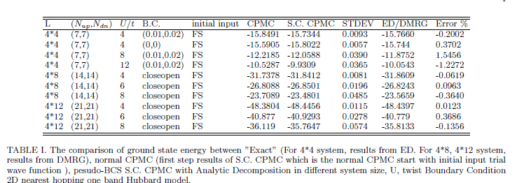
1

 |  |  |  |  |  |  |  |  |  |  |  |  | dt=0.01,Nblock=10
2b) | Exact input pBCS CPMC |  | pBCS Analytical （phi0=FE） | Exact input DM: ( 0.43749997019767761 , 0.0000000000000000 )( 0.13231481611728668 , -4.4732387177646160E-003)( -4.4473145157098770E-002, 1.0820942364375696E-008)... |  |  |  | pBCS Analytical （phi0=FE） | Exact input DM: ( 0.43749997019767761 , 0.0000000000000000 )( 0.13231481611728668 , -4.4732387177646160E-003)( -4.4473145157098770E-002, 1.0820942364375696E-008)... |  |  |  | pBCS Analytical （phi0=FE） | Exact input DM: ( 0.43749997019767761 , 0.0000000000000000 )( 0.13231481611728668 , -4.4732387177646160E-003)( -4.4473145157098770E-002, 1.0820942364375696E-008)...
 | 4477u8 t0.01t0.02 PBC Exact Energy: |  | Energy: |  |  |  |  | Energy: -11.91526813 0.01794513 -11.37140112 0.00218721 |  |  |  |  | Energy: -11.88886121 0.01327951 -11.46133179 0.00174532
 | Exact |  | Nsample: 10 Nwalker: 500*4 |  | Error | ABS(Exact-CPMC) |  | Nsample: 20 Nwalker: 500*2*20 |  | Error | ABS(Exact-CPMC) |  | Nsample: 20 Nwalker: 500*2*20 |  | Error | ABS(Exact-CPMC)
 | real | imag | real | imag |  | real | imag | real | imag |  | real | imag | real | imag |  | real | imag
 | 0.4374999702 | 0 | 0.42854990516 | 2.51E-04 | 9.73E-03 | 0.0089500650341 | 0.00025106009329 | 0.43329905836 | 8.14E-05 | 2.38E-03 | 0.0042009118374 | 8.1372326931E-05 | 0.43415335591 | -1.33E-04 | 1.68E-03 | 0.0033466142878 | 0.00013301027213
...

